Blad1
Innovators in adopting sustainable technology

Social inﬂuence on sustainable consumption
Social inﬂuence on sustainable consumption
Sustainable consumer behaviour

Investment barriers

Investment barriers
Sustainable consumer behaviour

Natural resources

Blad2
Natural recources |  |  | Adpotion of ECO-innovation | Material recources |  | Adpotion of ECO-innovation

 | Perception on future energy system | Perception on future global climate |  |  | Sociotechnical energy imaginaries

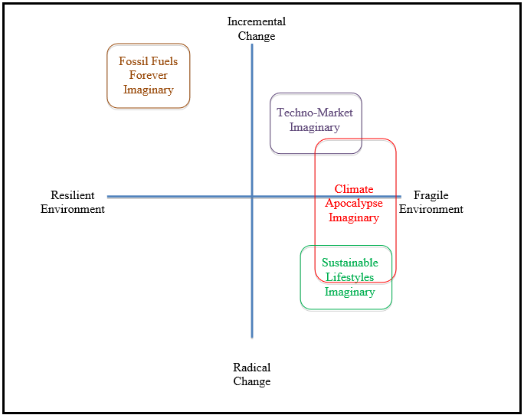
 |  |  |  |  |  |  |  |  | Incremential Change
 |  |  |  |  |  |  |  | Fossil Fuels Forever Imaginary |  | Techno-market Imaginary

 |  |  |  |  |  |  | Resilient Enviroment |  |  |  |  | Climate Apocalypse Imaginary | Fragile Enviroment

 |  |  |  |  |  |  |  |  |  |  | Sustainable Lifestyles imaginary

 |  |  |  |  |  |  |  |  | Radical Change

